Sheet1
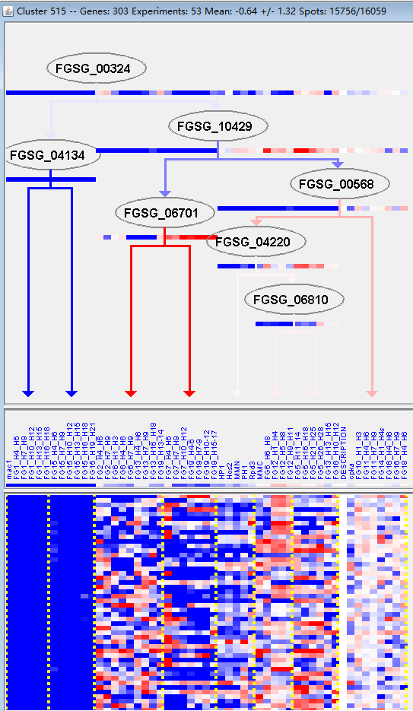
k | Filter | FUNCTIONAL CATEGORY | abs SET | rel SET | genes SET | abs GENOME | rel GENOME | rel SET/rel GENOME | P-VALUE | Bonferroni_corr | FDR
11.04.01 rRNA processing | 18 | 7.75 | FGSG_00695 FGSG_00877 FGSG_00961 FGSG_04424 FGSG_06101 FGSG_06243 FGSG_06628 FGSG_06788 FGSG_07038 FGSG_07055 FGSG_07107 FGSG_07206 FGSG_07379 FGSG_07457 FGSG_09766 FGSG_09930 FGSG_10033 FGSG_10757 | 187 | 1.35 | 5.740740741 | 2.45E-09
11.04 RNA processing | 25 | 10.7 | FGSG_00695 FGSG_00877 FGSG_00961 FGSG_00972 FGSG_01357 FGSG_04424 FGSG_04004 FGSG_06101 FGSG_06243 FGSG_06628 FGSG_06788 FGSG_06826 FGSG_07038 FGSG_07055 FGSG_07100 FGSG_07107 FGSG_07206 FGSG_07217 FGSG_07379 FGSG_07457 FGSG_09766 FGSG_09930 FGSG_10033 FGSG_10076 FGSG_10757 | 442 | 3.19 | 3.354231975 | 1.09E-07
16.03 nucleic acid binding | 34 | 14.6 | FGSG_00537 FGSG_11782 FGSG_00877 FGSG_00916 FGSG_00961 FGSG_01030 FGSG_01332 FGSG_04526 FGSG_04470 FGSG_04424 FGSG_04290 FGSG_04004 FGSG_05700 FGSG_05905 FGSG_05949 FGSG_06047 FGSG_06101 FGSG_06225 FGSG_06243 FGSG_06788 FGSG_07038 FGSG_07055 FGSG_07100 FGSG_07206 FGSG_07379 FGSG_07392 FGSG_07549 FGSG_08893 FGSG_09410 FGSG_09766 FGSG_10003 FGSG_10262 FGSG_10868 FGSG_10757 | 811 | 5.86 | 2.491467577 | 6.97E-07
11 TRANSCRIPTION | 44 | 18.9 | FGSG_11782 FGSG_00627 FGSG_00695 FGSG_00877 FGSG_00916 FGSG_00961 FGSG_00972 FGSG_01332 FGSG_01357 FGSG_04470 FGSG_04424 FGSG_04290 FGSG_04004 FGSG_12357 FGSG_03597 FGSG_06047 FGSG_06101 FGSG_06243 FGSG_06351 FGSG_06628 FGSG_06788 FGSG_06826 FGSG_07038 FGSG_07055 FGSG_07100 FGSG_07107 FGSG_07137 FGSG_07206 FGSG_07217 FGSG_07379 FGSG_07457 FGSG_08893 FGSG_08381 FGSG_08150 FGSG_08064 FGSG_09410 FGSG_09766 FGSG_09930 FGSG_10033 FGSG_10076 FGSG_10868 FGSG_10860 FGSG_10757 FGSG_11462 | 1225 | 8.86 | 2.133182844 | 9.76E-07
11.02.01 rRNA synthesis | 9 | 3.87 | FGSG_11782 FGSG_00695 FGSG_00877 FGSG_00916 FGSG_04470 FGSG_04004 FGSG_06243 FGSG_07107 FGSG_07457 | 71 | 0.51 | 7.588235294 | 2.72E-06
10 CELL CYCLE AND DNA PROCESSING | 37 | 15.9 | FGSG_00283 FGSG_00292 FGSG_00537 FGSG_11782 FGSG_00565 FGSG_00695 FGSG_00829 FGSG_00961 FGSG_01030 FGSG_01332 FGSG_04526 FGSG_04290 FGSG_04004 FGSG_05288 FGSG_05700 FGSG_05905 FGSG_05949 FGSG_06047 FGSG_06243 FGSG_06351 FGSG_06788 FGSG_07055 FGSG_07132 FGSG_07206 FGSG_13130 FGSG_07379 FGSG_07392 FGSG_07457 FGSG_07549 FGSG_08381 FGSG_08150 FGSG_09766 FGSG_09772 FGSG_09930 FGSG_10868 FGSG_10860 FGSG_10757 | 1080 | 7.81 | 2.035851472 | 2.35E-05
11.02.03.04.03 transcription repression | 9 | 3.87 | FGSG_11782 FGSG_00627 FGSG_12357 FGSG_06047 FGSG_07055 FGSG_07379 FGSG_08893 FGSG_09766 FGSG_10868 | 111 | 0.8 | 4.8375 | 0.000103415
12.01 ribosome biogenesis | 14 | 6.03 | FGSG_00292 FGSG_00695 FGSG_00961 FGSG_01332 FGSG_01357 FGSG_06101 FGSG_06165 FGSG_06243 FGSG_06628 FGSG_06696 FGSG_07107 FGSG_07457 FGSG_08381 FGSG_09766 | 255 | 1.84 | 3.277173913 | 0.00010429
11.02 RNA synthesis | 32 | 13.7 | FGSG_11782 FGSG_00627 FGSG_00695 FGSG_00877 FGSG_00916 FGSG_00961 FGSG_01332 FGSG_01357 FGSG_04470 FGSG_04290 FGSG_04004 FGSG_12357 FGSG_03597 FGSG_06047 FGSG_06101 FGSG_06243 FGSG_06351 FGSG_06628 FGSG_07055 FGSG_07107 FGSG_07137 FGSG_07379 FGSG_07457 FGSG_08893 FGSG_08381 FGSG_08150 FGSG_08064 FGSG_09410 FGSG_09766 FGSG_10868 FGSG_10757 FGSG_11462 | 960 | 6.94 | 1.974063401 | 0.000148693
10.01 DNA processing | 23 | 9.91 | FGSG_00283 FGSG_00292 FGSG_00537 FGSG_11782 FGSG_00829 FGSG_00961 FGSG_01030 FGSG_01332 FGSG_04526 FGSG_04290 FGSG_04004 FGSG_05700 FGSG_05905 FGSG_05949 FGSG_06047 FGSG_06243 FGSG_07392 FGSG_07549 FGSG_09766 FGSG_09930 FGSG_10868 FGSG_10860 FGSG_10757 | 595 | 4.3 | 2.304651163 | 0.000171352
12 PROTEIN SYNTHESIS | 18 | 7.75 | FGSG_00292 FGSG_00695 FGSG_00877 FGSG_00961 FGSG_01332 FGSG_01357 FGSG_04004 FGSG_06101 FGSG_06165 FGSG_06243 FGSG_06628 FGSG_06696 FGSG_07107 FGSG_07457 FGSG_08381 FGSG_09766 FGSG_09930 FGSG_10757 | 439 | 3.17 | 2.444794953 | 0.000444816
11.04.02 tRNA processing | 6 | 2.58 | FGSG_00877 FGSG_06628 FGSG_06826 FGSG_07217 FGSG_09766 FGSG_09930 | 64 | 0.46 | 5.608695652 | 0.000696317
10.01.05 DNA recombination and DNA repair | 14 | 6.03 | FGSG_00283 FGSG_00292 FGSG_00537 FGSG_00961 FGSG_04526 FGSG_05700 FGSG_05905 FGSG_05949 FGSG_07392 FGSG_07549 FGSG_09766 FGSG_09930 FGSG_10860 FGSG_10757 | 309 | 2.23 | 2.704035874 | 0.000737811
11.06 RNA modification | 6 | 2.58 | FGSG_06243 FGSG_06826 FGSG_07206 FGSG_07217 FGSG_10033 FGSG_10860 | 68 | 0.49 | 5.265306122 | 0.000961574
16.03.01 DNA binding | 18 | 7.75 | FGSG_00537 FGSG_11782 FGSG_00916 FGSG_01030 FGSG_01332 FGSG_04526 FGSG_04470 FGSG_04290 FGSG_04004 FGSG_05700 FGSG_05905 FGSG_05949 FGSG_06047 FGSG_07549 FGSG_08893 FGSG_09410 FGSG_10003 FGSG_10868 | 471 | 3.4 | 2.279411765 | 0.001005768
11.04.03.11 control of mRNA stability | 4 | 1.72 | FGSG_04004 FGSG_06628 FGSG_09766 FGSG_09930 | 29 | 0.2 | 8.6 | 0.001319489
42.10.07 nucleolus | 2 | 0.86 | FGSG_00695 FGSG_07206 | 4 | 0.02 | 43 | 0.00164516
10.01.05.01 DNA repair | 12 | 5.17 | FGSG_00283 FGSG_00292 FGSG_00537 FGSG_00961 FGSG_04526 FGSG_05700 FGSG_05905 FGSG_07549 FGSG_09766 FGSG_09930 FGSG_10860 FGSG_10757 | 267 | 1.93 | 2.678756477 | 0.001867025
11.02.03 mRNA synthesis | 26 | 11.2 | FGSG_11782 FGSG_00627 FGSG_00916 FGSG_00961 FGSG_01332 FGSG_01357 FGSG_04290 FGSG_04004 FGSG_12357 FGSG_03597 FGSG_06047 FGSG_06101 FGSG_06243 FGSG_06351 FGSG_06628 FGSG_07055 FGSG_07379 FGSG_08893 FGSG_08381 FGSG_08150 FGSG_08064 FGSG_09410 FGSG_09766 FGSG_10868 FGSG_10757 FGSG_11462 | 880 | 6.36 | 1.761006289 | 0.003526182
16.03.03 RNA binding | 13 | 5.6 | FGSG_00877 FGSG_00961 FGSG_04424 FGSG_06243 FGSG_06788 FGSG_07038 FGSG_07055 FGSG_07100 FGSG_07206 FGSG_07379 FGSG_09766 FGSG_10262 FGSG_10757 | 327 | 2.36 | 2.372881356 | 0.003568905
11.04.03 mRNA processing (splicing, 5^-, 3^-end processing) | 11 | 4.74 | FGSG_00877 FGSG_00961 FGSG_00972 FGSG_01357 FGSG_04004 FGSG_06101 FGSG_06628 FGSG_07100 FGSG_09766 FGSG_09930 FGSG_10757 | 277 | 2 | 2.37 | 0.00718118
10.03 cell cycle | 21 | 9.05 | FGSG_00283 FGSG_00565 FGSG_00695 FGSG_01030 FGSG_05288 FGSG_05700 FGSG_05949 FGSG_06047 FGSG_06351 FGSG_06788 FGSG_07055 FGSG_07132 FGSG_07206 FGSG_13130 FGSG_07379 FGSG_07457 FGSG_07549 FGSG_08381 FGSG_08150 FGSG_09772 FGSG_10868 | 705 | 5.09 | 1.777996071 | 0.007791755
40.10.02.03.02 induction of apoptosis by intracellular signals | 2 | 0.86 | FGSG_00537 FGSG_07549 | 10 | 0.07 | 12.28571429 | 0.011544718
20.09.18.07 non-vesicular cellular import | 10 | 4.31 | FGSG_00345 FGSG_04057 FGSG_03985 FGSG_03872 FGSG_03015 FGSG_05707 FGSG_08016 FGSG_10394 FGSG_10661 FGSG_11250 | 278 | 2.01 | 2.144278607 | 0.019104603
10.03.01.01.05 S phase of mitotic cell cycle | 2 | 0.86 | FGSG_01030 FGSG_07132 | 14 | 0.1 | 8.6 | 0.022340266
32.01.13 electromagnetic waves stress response (e.g. UV, X-ray) | 2 | 0.86 | FGSG_00537 FGSG_07549 | 14 | 0.1 | 8.6 | 0.022340266
10.03.01 mitotic cell cycle and cell cycle control | 15 | 6.46 | FGSG_00283 FGSG_00565 FGSG_00695 FGSG_01030 FGSG_06047 FGSG_06351 FGSG_06788 FGSG_07055 FGSG_07132 FGSG_07206 FGSG_07549 FGSG_08381 FGSG_08150 FGSG_09772 FGSG_10868 | 507 | 3.66 | 1.765027322 | 0.024132266
10.01.02 DNA topology | 5 | 2.15 | FGSG_00961 FGSG_05949 FGSG_09766 FGSG_09930 FGSG_10757 | 98 | 0.7 | 3.071428571 | 0.024568546
11.04.03.01 splicing | 8 | 3.44 | FGSG_00877 FGSG_00961 FGSG_01357 FGSG_06101 FGSG_06628 FGSG_07100 FGSG_09766 FGSG_10757 | 214 | 1.54 | 2.233766234 | 0.028110241
10.03.01.01.09 G2/M transition of mitotic cell cycle | 3 | 1.29 | FGSG_00565 FGSG_07132 FGSG_09772 | 43 | 0.31 | 4.161290323 | 0.03519288
11.06.01 rRNA modification | 2 | 0.86 | FGSG_07206 FGSG_10033 | 18 | 0.13 | 6.615384615 | 0.035951951
10.01.05.03 DNA recombination | 5 | 2.15 | FGSG_00961 FGSG_05700 FGSG_05949 FGSG_09766 FGSG_10757 | 113 | 0.81 | 2.654320988 | 0.041642392
10.03.01.01.11 M phase | 4 | 1.72 | FGSG_00565 FGSG_00695 FGSG_01030 FGSG_06788 | 78 | 0.56 | 3.071428571 | 0.042059994
18.02.01.01.05 kinase activator | 2 | 0.86 | FGSG_00565 FGSG_01030 | 20 | 0.14 | 6.142857143 | 0.043683506
11.06.02 tRNA modification | 3 | 1.29 | FGSG_06826 FGSG_07217 FGSG_10860 | 47 | 0.33 | 3.909090909 | 0.044061325

11.04.01 rRNA加工
11.04 RNA加工

